CNA
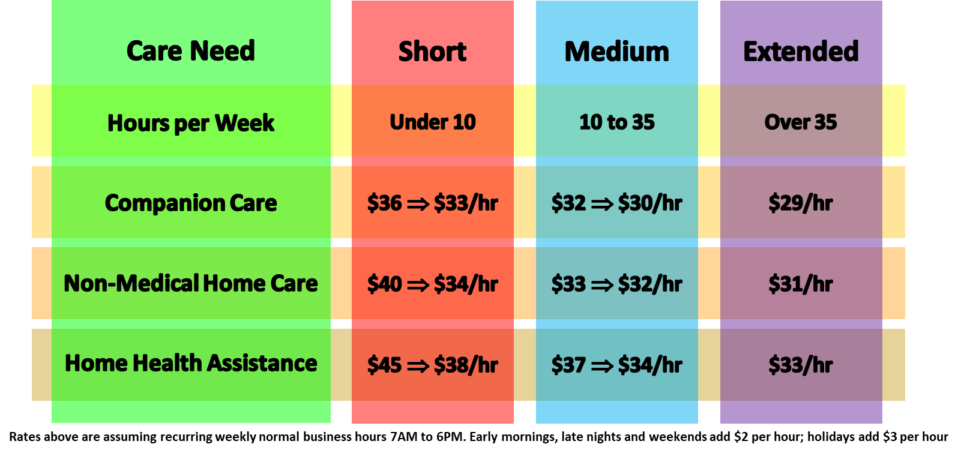
CNA Daily Rate Care - Keep Safe Care
Hours of Care | Recurring | Non-Recurring | CG Pay | CG Pay NR
Under 2 | $45 | $50 | $30.0 | $33.3 | $90 | $100 | 1.1111111111
2 to 4 | $43 | $48 | $28.7 | $32.0 | $172 | $192 | 1.1162790698
4 to 8 | $41 | $45 | $27.3 | $30.0 | $328 | $360 | 1.0975609756
8 to 12 | $39 | $42 | $26.0 | $28.0 | $390 | $420 | 1.0769230769
12 to 18 | $37 | $40 | $24.7 | $26.7 | $555 | $600 | 1.0810810811
18 to 24 | $35 | $39 | $23.3 | $26.0 | $700 | $780 | 1.1142857143
24 to 30 | $33 | $37 | $22.0 | $24.7 | $990 | $1,110 | 1.1212121212
More than 30 | $32 | $36 | $21.3 | $24.0 | $1,280 | $1,440 | 1.125
All rates are per hour; $10 trip fee will also be included

