Client Rate
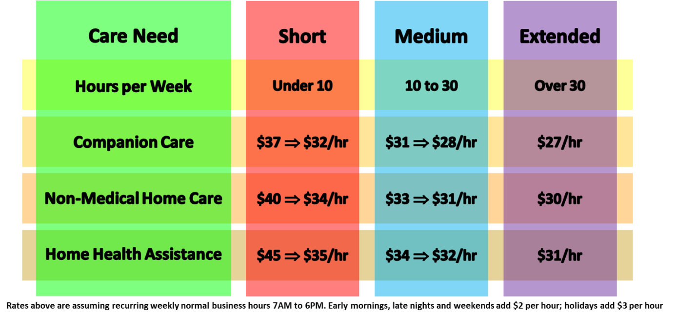
KEEP SAFE CARE WAGE / COST CALCULATOR
Hours Per Week | 20.0 | Number of hours per week care is needed
Salary of Caregiver | $20.00 | What KCS is Paying Caregiver
Rate to Client | $32.00 | What KSC is Charging Client per hour
Hourly Profit to KSC AFF | $7.90 | Profit Per hour (want to stay above $6.50/hr)
Weekly Profit to KSC AFF | $158.00 | Weekly Profit (want to stay above $100 per week for over 12 hours)
Weekly Charge to Client | $691.50 | Weekly Credit Card Charge (hours x rate)

 | Note: Typcially start at $32/hours for 20 hours per week for Non-Medical Home Care

Caregiver Wages | $369.40 | Caregiver share: 70%; If greater than 67% then good
Number of Weekly Trips | 5

 | Note: Remember to add the $10 per trip fee to the hourly rate to calculate the 2/3s rule.

